1. Title Page
[Instacart Grocery Basket Analysis]

Project Name: Instacart Grocery Basket Analysis
Date: 11/12/2022
Analyst Name: Samir Thomas

Contents:
Population Flow
Consistency checks
Wrangling steps
Column derivations
Visualizations
Recommendations

Data Citation: “The Instacart Online Grocery Shopping Dataset 2017”, Accessed from https://www.instacart.com/datasets/grocery-shopping-2017 on 10/30/2022.

2. Population Flow
Title page

Population flow

Exclusion flag
Condition: max_order <
Obervations to be removed:
Final total count of order_products_all:

Orders_products_combined
Orders_products_merged
Orders_products_all

Total: 32,434,489
Total: 32,404,859
Total: 32,404,859

1.) The grey boxes in the first row of the population flow represent the original data sets as they were when you downloaded them. In the Total fields you need to add the count of the rows when you imported the data set into Jupyter.
2.) The second row of boxes (coloured) represents the data sets after you manipulated them, e.g., removed missing values and duplicates. In the Total fields you need to add the count of the rows after conducting these operations. This offers a visual oveview of how the data flows throughout the data consistency checks.
3.) The third row, where also the arrows are coloured, represents the merges you performed between the datasets. In the Total fields you need to add the count of the rows in the merged datasets, so that you end up with the final dataset (in the red box). Keep in mind the final dataset should be without exclusions (based on the exclusion flag).

3. Consistency checks
 |  |  |  | Title page
Consistency checks

Dataset | Missing values | Missing values treatment | Duplicates
orders | days_since_prior_order (206,209 missing) | Values determined to represent new customers with no prior orders and therefore a new_customer boolean column has been added into the database that triggers based on the NaN values within the days since prior order column | None
products | product_name (16 missing) | Missing values were exported into their own database (df_nan), and were filtered out in the createion of the df_prods_clean dataframe. Missing values within the original database remain as is. | 5 duplicated found and removed in the creation of the df_prods_clean_no_dups dataframe.
orders_products_merged | prices | Outliers (prices > 25) assigned NaN
customers | first_name (11,259 missing)

4. Wrangling steps
 |  |  |  |  | Title page
Wrangling steps

Data Set | Columns dropped | Columns renamed | Columns' type changed | Comment/Reason
orders.csv | eval_set |  |  | not needed
 |  | orders_dow |  | ambiguous, changed to orders_day_of_week
 |  |  | order_id | changed from integer to string
 |  |  | user_id | changed from integer to string
 |  |  | order_number | changed from integer to string
departments.csv |  |  |  | Transposed the dataset from horizontal to vertical so that it is easier to read
 |  | index |  | Reset index and replaced header
orders_products_merged.csv |  |  | order_id | changed from integer to string
 | _merge |  |  | merge proved to be previously succeful, not needed
customers.csv |  | First Name
 |  | Surnam
 |  | Gender
 |  | STATE
 |  | Age
 |  | n_dependents
 |  |  | first_name | changed from object to string

5. Column derivations
 |  |  |  | Title page

Column derivations and aggregations

In this tab you should add tables below that the frequences of flags/label variables that you produced after deriving them. NB: don't do this for continuous variables, only for flags.
Dataset | New column | Column/s it was derived from | Conditions
ords_prods_merged_v2 | price_range_loc | prices | If price less than or equal to $5, then low-range product If price between $5 and $15, then mid-range product If pricegreater than $15, then high-range product
 | busiest_day | orders_day_of_week | If day 0, then busiest day If day 4, then least busy If else, then regularly busy
 | busiest_days | orders_day_of_week | If day 0 or 1, then "busiest days" If day 3 or 4, then "slowest days" If else, then "regularly busy"
 | busiest_period_of_day | order_hour_of_day | If hour falls from 9 to 16, then “most orders” If hour less than 6, then “fewest orders” If else, then “average orders”
ords_prods_merged_v3 | max_order | user_id, order_number | maximum orders per customer
 | loyalty_flag | max_order | If orders more than 40 , then loyal customer If orders between 10 and 40, then regular customer If orders less than 10, then new customerr
 | average_price | user_id, prices | average price per customer
 | spending_flag | average_price | If price is less than 10, then low spender If price is greater than or equal to 10, then high spender
 | median_order_frequency | user_id, days_since_prior_order | median order frequency per customer
 | order_frequency_flag | median_order_frequency | If order frequency less than 20, then non-frequent customer If order frequency between 20 and 10, then regular customer If order frequency lower than 10, then frequent customer
insta_final | region | state | northeast=['Maine','New Hampshire','Vermont','Massachusetts','Rhode Island','Connecticut','New York','Pennsylvania','New Jersey'] midwest=['Wisconsin','Michigan','Illinois','Indiana','Ohio','North Dakota','South Dakota','Nebraska','Kansas','Minnesota','Iowa','Missouri'] south=['Delaware','Maryland','District of Columbia','Virginia','West Virginia','North Carolina','South Carolina','Georgia','Florida','Kentucky', 'Tennessee','Mississippi','Alabama','Oklahoma','Texas','Arkansas','Louisiana'] west=['Idaho','Montana','Wyoming','Nevada','Utah','Colorado','Arizona','New Mexico','Alaska','Washington','Oregon','California','Hawaii']
 | activity | max_order | If max order is 5 or more, then flagged as 1(active) If max order is less than 5, then flagged as 0 (not active)
 | age_group | age | If customer is 25 years or younger, then Young Adult If customer is between 26 and 64, then Adult If customer is 65 years or older, then Senior
 | income_group | income | If income is less than 40,000, then low income If income is 40,000 or more and less than 150,000, then middle income If income is greater than 150,000, then high income
 | department | department_id | data dictionary from departments_wrangled.csv
 | baby_status | department | If any order contain items from dept babies then flagged 1. If not, then 0
 | alcohol_status | department | If any order contain items from dept alcohol then flagged 1. If not, then 0
 | pet_status | department | If any order contain items from dept 'pets' then flagged 1. If not, then 0

6. Visualizations
 |  |  |  |  |  |  | Title page

Visualisations

In this tab you should include all the visualtions from Exercises 4.9 and 4.10, alongside the questions from the project brief that they answer. Include any commentary on the relationship between different variables.

Key Questions

1. The sales team needs to know what the busiest days of the week and hours of the day are (i.e., the days and times with the most orders) in order to schedule ads at times when there are fewer orders.

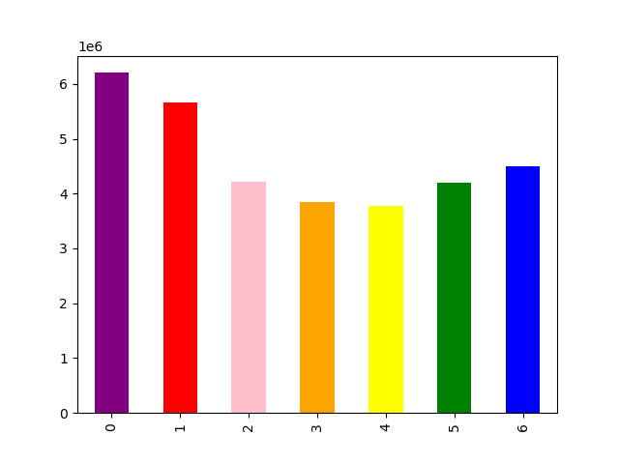


 |  |  | Legend
 |  |  | 0 | Saturday
 |  |  | 1 | Sunday
 |  |  | 2 | Monday
 |  |  | 3 | Tuesday
 |  |  | 4 | Wednesday
 |  |  | 5 | Thursday
 |  |  | 6 | Friday

 | The busiest days of the week are Saturday and Sunday, The least busiest days occur during the week with the least busy day being Wednesday. |  |  |  |  |  |  | The busiest hours of the day sre from hours 9 (9am) to 16 (4pm). The least busiest hours are from hours 0 (12am) to 5 (5am).

2. They also want to know whether there are particular times of the day when people spend the most money, as this might inform the type of products they advertise at these times.



 |  |  |  |  | This line chart shows the average price of products purchased throughout the day. The most expensive product is purchased from 4:00 AM to 8:00 AM. The least expensive product is purchased at 10:00 am

3. Instacart has a lot of products with different price tags. Marketing and sales want to use simpler price range groupings to help direct their efforts.

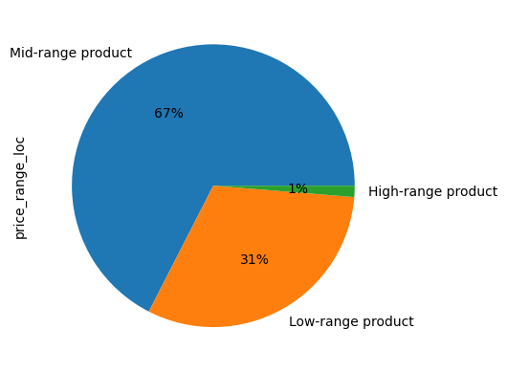

 |  |  |  |  |  | A price range has bneen created with the following parameters:
 |  |  |  |  |  | If price less than or equal to $5, then low-range product
 |  |  |  |  |  | If price between $5 and $15, then mid-range product
 |  |  |  |  |  | If pricegreater than $15, then high-range product

4. Are there certain types of products that are more popular than others? The marketing and sales teams want to know which departments have the highest frequency of product orders.

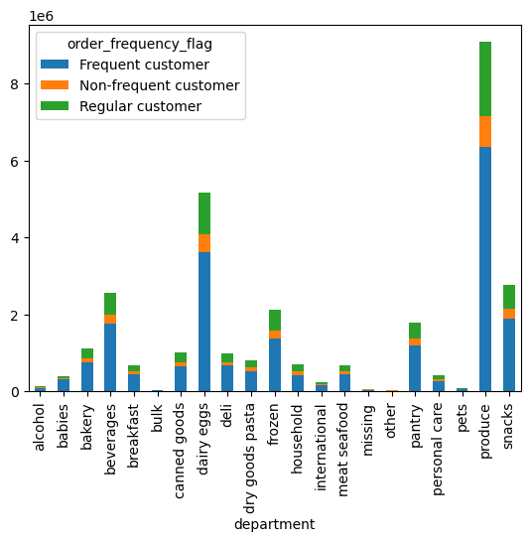

 |  |  |  | The "produce" and "dairy/eggs" department have the highest frequency amounts with the "other" and "bulk" departments having the lowest frequency of product orders.

5. The marketing and sales teams are particularly interested in the different types of customers in their system and how their ordering behaviors differ.

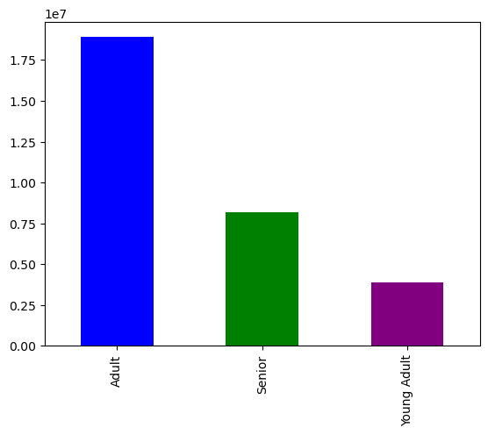
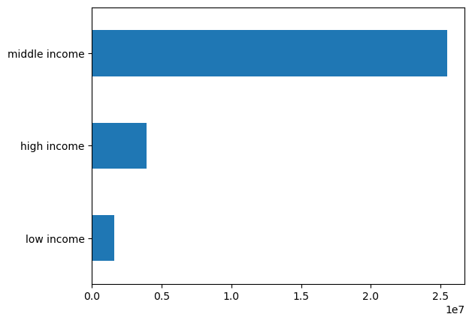

 | The majority of Instacarts customer base are considered Adult (between the ages of 26 and 40). In addition, the majority of the customer based are considered middle income, which equates to having a salary between $40,000 and $150,000.

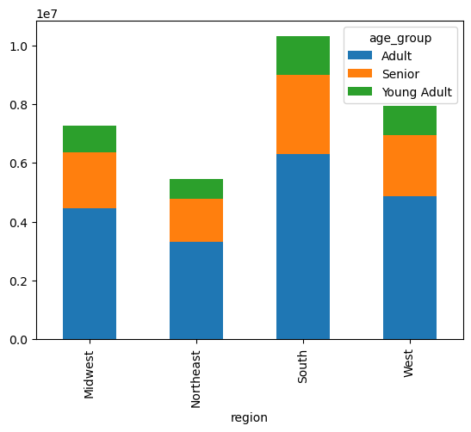
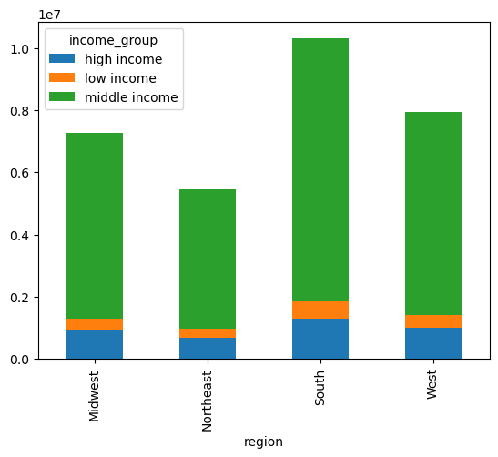

 |  | When analyzing the Instacart customer base by region, it was determined that the South (see column deviations tab E17) has both the highest number of Instacart customers as well as contributing the highest amount of revenue. Within the South, the majority of the customers are considered middle age.

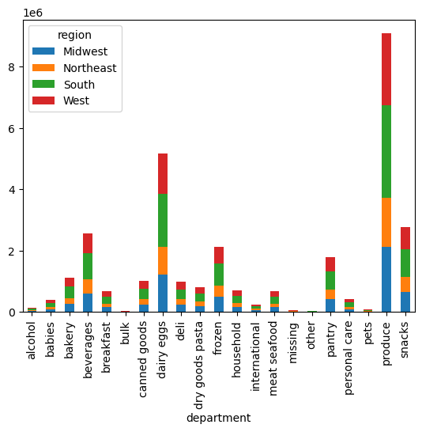
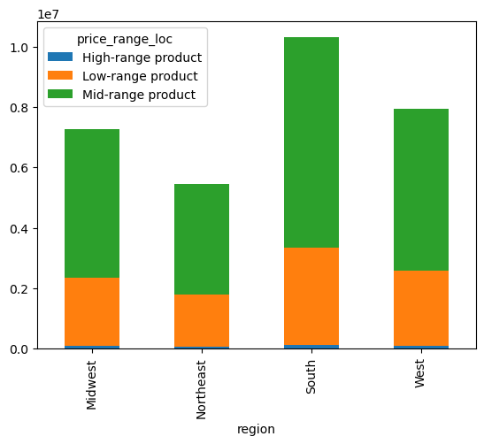

 |  | The produce department is the most popular department amoungst all regions, and within that department the Southern and Western region make up the bulk of customers.

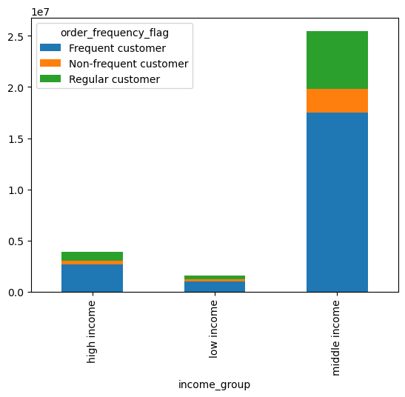
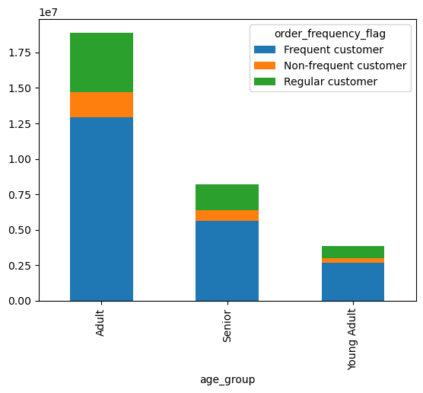
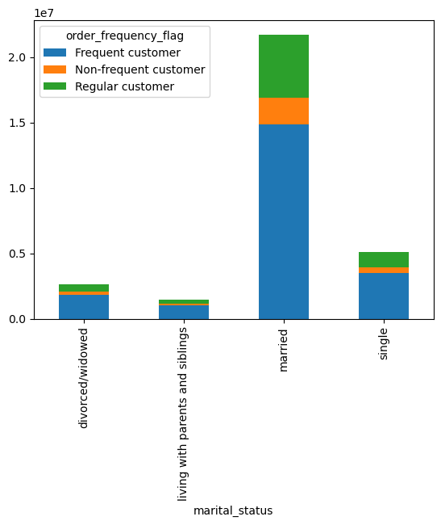

 |  | People who are classified as middle income, adult, and married represent the groups of people with the highest frequency of orders on Instacart. Likewise people classified as low-income, young adult, and persons living with parents and siblings makre up customers who have the lowest frequency of orders on Instacart.

 |  | Final Recommendations: Special attention should be paid attention to the following in order to capitalize on Instacarts growth and resiliency 1. Southern Region 2. Western Region 3. People between the ages of 26-40 (Adults) 4. People who are married 5. People who make between $40,000 and $150,000 (middle-income) 6. Maximizing traffic to the produce and dairy/egg departments

7. Recommendations
 |  | Title page

Recommendations

In this tab you should include any recommendations you would made to Instcart in terms of their marketing strategy based on the questions posed in the brief. Every key question has been covered in the Tasks of the Exercises - here you need to add an item - a visualisation or table/crosstable that is showing the answer in the data, acompanied by a comment from you. Please, list the questions below and add the answer underneath.

Question | *see visualization tab
Key Question 1
Key Question 2
Key Question 3
Key Question 4
Key Question 5
Key Question 6
Key Question 7

